PhenoCycler (Akoya Names)
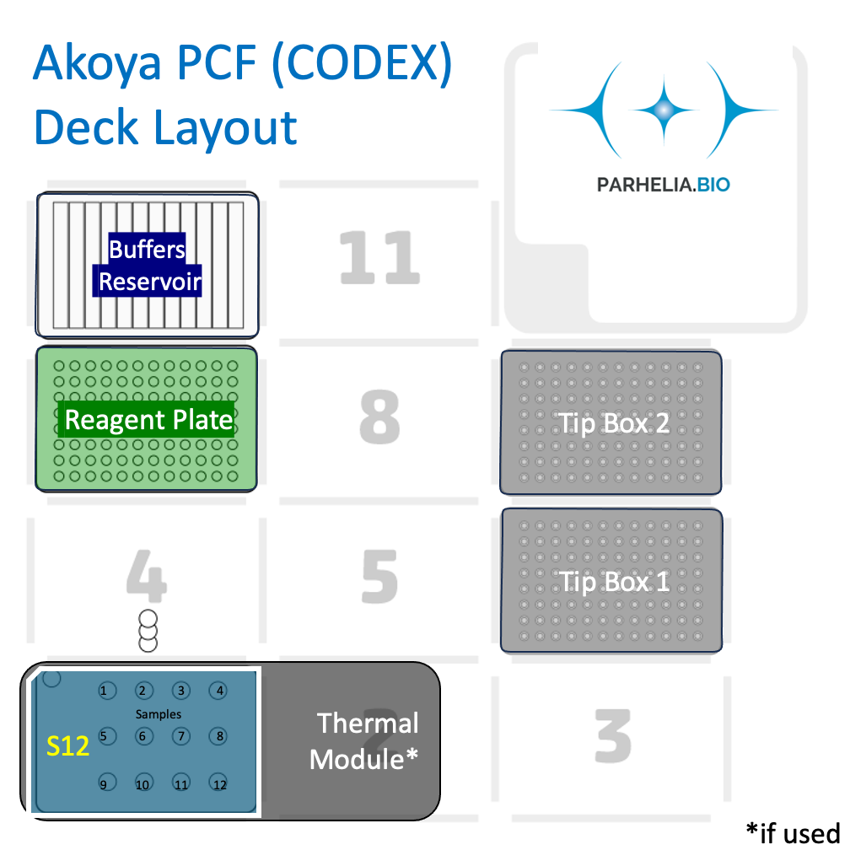
Important! Each of the 12 columns corresponds one of the 12 samples in the Omni-stainer S12/C12. Important! Adjust the values below (click for drop down selection) and the spreadsheet will auto-fill |  |  |  |  |  |  |  |  |  |  |  |  |  | Last Updated: Dec 12, 2023, Nels Wedin, Parhelia Biosciences
Omni-Stainer module type |  |  | S12 |  | Assemble Flow Cells in PBS or Hydration Buffer
Num samples: |  |  | 5 |  | Antibody Plate Reagent Calculator Available Now Below Reagent Setup

Antibody screening mode |  |  | Yes
Antibody volume [μL] / slide |  |  | 110 |  |  |  | Antibody volume [μL] / sample
wash_volume [μL] / slide |  |  | 150

Deck position: |  | 10 | Buffers reservoir (12-trough, sealed with a pierceable sealing sheet)
 | 1 | 2 | 3 | 4 | 5 | 6 | 7 | 8 | 9 | 10 | 11 | 12
A |  | Staining Buffer | Post-Staining Fixing Solution (1.6% PFA in Storage Buffer) | MeOH | 1x PBS |  |  |  | Storage Buffer | X | X | X
Volume (if used)
Wash # | 1 |  | 1 | 2 |  | 2 |  | 2 | 2

Deck position: |  | 7 | Antibody plate (96-well plate, sealed with aluminum sheet). Columns corresponds to samples in the Omni-stainer. Antibody mixes can be the same or different between columns
 | 1 | 2 | 3 | 4 | 5 | 6 | 7 | 8 | 9 | 10 | 11 | 12 | Well Volume | Reagent Preparation instructions
А |  |  |  |  |  |  |  |  |  |  |  |  |  | PhenoCycler Blocking Buffer: Staining Buffer with N, G, J, & S Blockers - but without antibodies
B |  |  |  |  |  |  |  |  |  |  |  |  |  | Antibody Cocktail Solution: Staining Buffer with N, G, J, & S Blockers, WITH PhenoCycler and Custon-Conjugated Antibodies
C |  |  |  |  |  |  |  |  |  |  |  |  |  | PCF Fixative Reagent (undiluted): aliquots can be safely stored at room temperature for the duration of the protocol, as long as the plate is sealed with aluminum sheet immediately after filling.
D
E
F
G
H

Deck position 6: |  | 300/200 μL Tip rack #1 |  |  |  | Important! One must use fresh Fixative Reagent aliquots every time
Deck position 9: |  | 300/200 μL Tip rack #2 |  |  |  | In our experience, antibody staining quality can be compromised by using Fixative Reagent aliquots are nearing expiration
 |  |  |  |  |  | If that is happening, we recommend making replacement fixative aliquots by dissolving BS3 in dry DMSO as described in PMID34215862
Deck position 1: |  |  |  |  |  | Solute | BS3 Crosslinker | 50 mg | Thermo Fisher 21580
 | 1 | 2 | 3 | 4 |  | Solvent | Dry DMSO | 250 μL | Sigma D2650-5X5ML
A |  |  |  |  |  | Mix thoroughly, dispense into 20ul Aliquots in PCR strips, store at -20C
B
C |  |  |  |  |  | Antibody Plate Reagent Calculator
 |  |  |  |  |  | Blocking Buffer, Antibody Cocktail, Reporter Stock, Reporter Master Mix (Probe mix) Calculator: input numbers into Input Cells (see format key) |  |  |  |  |  | Format Key
 |  |  |  |  | Format Key | For Staining (Antibody Plate)
 |  |  |  |  |  | total Antibodies [μL]/sample | 44 |  |  |  |  | Input Cell
 |  |  |  |  | Input Cell | Num samples: |  | <-- LINKED TO Num Samples INPUT |  |  |  | Linked Cell
 |  |  |  |  | Linked Cell |  |  |  |  |  |  | Calculation
 |  |  |  |  | Calculation | REAGENT | Blocking Buffer (Preblock) [Row A] | Ab Cocktail Solution [Row B] | Manual/sample | Automated/sample | Percentage | SUM
 |  |  |  |  | SUM | Staining Buffer |  |  | 181 |  | 90.50% | Ignore me cell
 |  |  |  |  | Ignore me cell | N Blocker |  |  | 4.75 |  | 2.38% | STATIC cell
 |  |  |  |  | STATIC cell | G Blocker |  |  | 4.75 |  | 2.38%
 |  |  |  |  |  | J Blocker |  |  | 4.75 |  | 2.38%
 |  |  |  |  |  | S Blocker |  |  | 4.75 |  | 2.38%
 |  |  |  |  |  | Total Antibodies | 0.0 |  | 0 |  | 0.00%
 |  |  |  |  |  | Total [μL]
 |  |  |  |  |  | For Antibody Screening Mode (also Antibody Plate)
 |  |  |  |  |  | Component | Input Reporter Stock Solution recipe volumes (ul) | Output Reporter Stock Solution volume needed, exact (ul) | Alt Output Reporter Stock Solution recipe volumes (to make "Desired Volume")
 |  |  |  |  |  | 1X PCF Buffer
 |  |  |  |  |  | Assay Reagent
 |  |  |  |  |  | DAPI (5ul for PCF 1.0, 10ul for PCF 2.0) |  |  |  | Desired Volume
 |  |  |  |  |  | SUM |  |  |  | 1200
 |  |  |  |  |  |  |  | ^actual needed amount |  | <- conversion factor for simple numbers

 |  |  |  |  |  |  | Input Reporter Master Mix (vol ul) | Output Reporter Master Mix (vol ul) [Row D] |  | Master Mix Recipe: Vol [μL]/ Per 120 μL
 |  |  |  |  |  | Reporter Stock Solution |  |  |  | 112.8
 |  |  |  |  |  | Reporter 1 | 5 |  |  | 2.4
 |  |  |  |  |  | Reporter 2 | 5 |  |  | 2.4
 |  |  |  |  |  | Reporter 3 | 5 |  |  | 2.4
 |  |  |  |  |  | SUM (check) |  |  |  | 120
 |  |  |  |  |  | Input Sum Value | 250 | ^LINKED TO Antibody cocktail [μL] / slide INPUT

